Sheet1
About Dataset
About the Dataset
This is a simulated credit card transaction dataset containing legitimate and fraud transactions from the duration 1st Jan 2019 - 31st Dec 2020. It covers credit cards of 1000 customers doing transactions with a pool of 800 merchants.
Source of Simulation
This was generated using Sparkov Data Generation | Github tool created by Brandon Harris. This simulation was run for the duration - 1 Jan 2019 to 31 Dec 2020. The files were combined and converted into a standard format.
Information about the Simulator
I do not own the simulator. I used the one used by Brandon Harris and just to understand how it works, I went through few portions of the code. This is what I understood from what I read:
The simulator has certain pre-defined list of merchants, customers and transaction categories. And then using a python library called "faker", and with the number of customers, merchants that you mention during simulation, an intermediate list is created.
After this, depending on the profile you choose for e.g. "adults 2550 female rural.json" (which means simulation properties of adult females in the age range of 25-50 who are from rural areas), the transactions are created. Say, for this profile, you could check "Sparkov | Github | adults_2550_female_rural.json", there are parameter value ranges defined in terms of min, max transactions per day, distribution of transactions across days of the week and normal distribution properties (mean, standard deviation) for amounts in various categories. Using these measures of distributions, the transactions are generated using faker.
What I did was generate transactions across all profiles and then merged them together to create a more realistic representation of simulated transactions.
Acknowledgements
Brandon Harris for his amazing work in creating this easy-to-use simulation tool for creating fraud transaction datasets.

ANSWER:
1.What's the difference between merch_latitude and latitude?
The Merch_lat and Mrech_long show the location of merchant or we can say the location of transaction being made.
In other words we can also say Merch_lat and Mrech_long shows the POS location (Point of Sale) where the card has been used.
Where as the lat and long show the address of the person to whom card has been issued.

2.Clarification of Category Variable
What do the "_pos" and "_net" suffixes mean in context of the category variable?
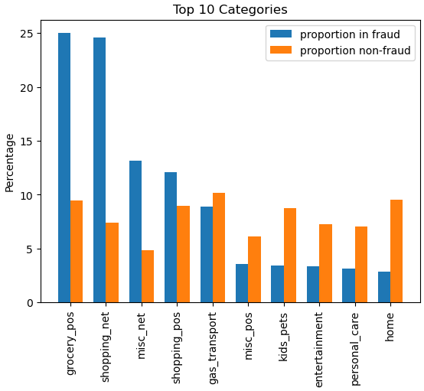

POS is (Point of Sale) or we can say the card swiping machine used to read credit card when making the transaction.
NET is internet. or we can say the card has been used online.

3.How is the training dataset different from the second one? Why are there two datasets? How is the training dataset different from the second one?
Its the same data, but divided in two parts: training dataset and testing dataset. This is crucial for Machine Learning, since we need to separate our data to first train our model and then test it on unseen data. This concept is very important because we can measure how good our model is on new data that comes.

4.Possibility of using this dataset for credit card fraud detection system with a data driven model I'm looking for a credit card transaction dataset for a research purpose. So I found this as an open dataset with all the features are visible. because in all most all public datasets available for credit card transactions, most of the features are closed for confidentiality issues. So this dataset seems to be a really useful resource for those limitations. But as this is a simulator generated dataset I would like to find out the possibility to use this dataset to train a supervised learning classifier for a credit card fraud detection system.

5.Hello - Did you guys manage to find a different data set which has understandable features ?
Hi @ahmadelzein, It's very difficult to find credit card datasets with understandable features. However I did manage to find another dataset similar to this one here. This however has certain glaring weaknesses such as this and this: We can apparently find if a transaction is fraudulent with an AUC 0.998 merely with three features as such I doubt if this dataset would be really useful (maybe drop those features and use it?).
I found this dataset by kartik to be much more challenging and apt for my purpose. Hope this helps!

Hey @minindupansith, I had the same question in my mind and this was the only dataset I could find that had its features in a Human understandable form. Where you able to find a alternative dataset to this one?
The other dataset I could find was this one, though the name is misleading and it's a dataset containing credit card defaulters rather than credit card frauds.

I believe this can be reliably used to train a classifier. I was able to create this dataset using the simulator: Sparkov Data Generation | Github in which he mentioned that he had used multiple statistical distributions to capture real financial data. Thus, the simulated dataset should be pretty accurate to the real-world transactions patterns.
Thanks for the quick reply @kartik2112. That really clarified my doubt. Although now I am some what curious as to how this simulator works. Could you provide some details on this? I checked the github link you had posted but it only had details on how to use the simulator. A medium link or a even a simple flow chart would be extremely helpful to me.
Not as interested about the implementation, but the logic behind it.

o be honest, I didn't dive into the specifics of this repository. But I did have an overlook on the code and the files present in this repository.
It has certain pre-defined list of merchants, customers and transaction categories. And then using a python library called "faker", and with the number of customers, merchants that you mention during simulation, an intermediate list is created.
After this, depending on the profile you choose for e.g. adults_2550_female_rural (which means simulation properties of adult females in the age range of 25-50 who are from rural areas), the transactions are created. Say, for this profile, you could check Sparkov | Github | adults_2550_female_rural.json, there are parameter value ranges defined in terms of min, max transactions per day, distribution of transactions across days of the week and normal distribution properties (mean, standard deviation) for amounts in various categories. Using these measures of distributions, the transactions are generated using faker.
What I did was generate transactions across all profiles and then merged them together to create a more realistic representation of simulated transactions.

Real time datasets is what I'm seeking
Can simulated data be considered valid?

6.Question re very high correlation of amt feature with the is_fraud label Hi, I am new to data analytics so please excuse any fundamental misconceptions. I am a student and am trying to work with this dataset to build a binary classifier using Rapidminer. But I am finding that the extremely high correlation of the is_fraud label of the data with the amt (amount) column appears to be rendering the value of all of the other feaures completely irrelevant. This is apparent to the extent that the confusion matrix scores obtained from any of the Rapidminer models are practically the same whether you use a example set with just the is_fraud and amt columns or if you include several relevant features (including new features extracted from original data such as hour of transaction, day of week etc) In other words, it seems to be pointless adding any additional features other than amt to inform the prediction. So I don't at the moment see any reason why this dataset would be suitable to provide an example of binary classification when the prediction basically depends completely on the amount of the transaction. This is not the case in the real world obviously. As I said, I am a newbie so probably I am missing something? Maybe there is some way to 'dial down' the correlation with amt to let the other features come to the fore and possibly add some value to the prediction?
Hi Ray, sorry for the delay in replying. So, the simulated dataset is raw. You won't be able to directly use these features. Few features need to be generated for getting better models. Few of the features that I thought could be extracted were: Hour encoding - normal 0500-2100 / abnormal 2100-0500 (at what hour of the day was the transaction done) Frequency of transactions in last 1/7/30 days from this card number Time since last transaction from this card number Using this the top features that influence the dependent variable is_fraud are: Amount Hour Encoding Frequency of transactions done in last 30 days Frequency of transactions done in last 7 days Time since last transaction Amount, of course, tops the list, but the others are also significant enough. I have compiled my EDA in this Kaggle notebook.. I have displayed the correlation heatmaps as well in this notebook.
Thanks Kartik for your advice which, having gained a little more experience along the way, makes a lot more sense to me now. I will look to transform the data as you have suggested to gain these hidden insights. Thanks Ray.
do we have the solution fot this ?
The solution is in the notebook where we can derive features from the existing ones to give better results.

